Invoice

Acha Co.,Ltd. |  |  |  |  | Invoice
247 - 249 Tanow Road, Bavornives |  |  |  |  |  |  | 32
Pranakorn, Bangkok 10200 Thailand |  |  |  |  |  |  | .
TEL: + 66 2057 - 5858 |  |  |  | Date | Invoice #
FAX: + 66 2046 - 6650 |  |  |  | 23-Oct-23 | 51914
www.achadirect.com

Ship to |  |  | Bill to
Safari Bodyart Studio AS |  |  | Safari Bodyart Studio AS | PO Number
Børre Westgaard |  |  | Børre Westgaard
Grensen 9 |  |  | Grensen 9 | Via | Walk IN
0159 Oslo |  |  | 0159 Oslo
Norway |  |  | Norway | Rep. | Moss | USD Exchange Rate
 |  |  | 0 |  |  | 36.37

Tel: +47 22339700 |  |  |  | Currency | THB
Email: post@safaribodyart.no

Quantity | Item code | Options (Color/Size) | Description | Price Each | Amount
30 | UTBBNPS | 10mm / Gold | Titanium G23 anodized nipple barbell, 14g (1.6mm) with 4mm balls - length 1/2" - 5/8" (12mm - 16mm) | 56.74 | 1,702.20
40 | UTBBNPS | 12mm / Gold | Titanium G23 anodized nipple barbell, 14g (1.6mm) with 4mm balls - length 1/2" - 5/8" (12mm - 16mm) | 56.74 | 2,269.60
50 | UTBBNPS | 14mm / Gold | Titanium G23 anodized nipple barbell, 14g (1.6mm) with 4mm balls - length 1/2" - 5/8" (12mm - 16mm) | 56.74 | 2,837.00
50 | UTBBNPS | 16mm / Gold | Titanium G23 anodized nipple barbell, 14g (1.6mm) with 4mm balls - length 1/2" - 5/8" (12mm - 16mm) | 56.74 | 2,837.00
30 | XULBNOS20G | 6mm | Pack of 10 pcs. of Titanium G23 threadless labret 20g(0.8mm) with 2.5mm base plate | 509.18 | 15,275.40
30 | XULBNOS18G | 6mm | Pack of 10 pcs. of Titanium G23 threadless labret 18g(1mm) with 2.5mm base plate | 509.18 | 15,275.40
30 | UPINZ2 | Clear | 2mm CZ Cubic Zirconia (CZ) bezel set ball top for push-in titanium threadless labret | 39.64 | 1,189.20
100 | UBBEB16S3 | 8mm | Titanium G23 eyebrow barbell, 16g (1.2mm) with 3mm balls – length (6mm - 12mm) | 36.01 | 3,601.00
100 | ULBB3 | 8mm | Titanium G23 labret - 16g, 1/4" to 7/16", 3mm balls | 36.01 | 3,601.00
20 | NED12 |  | Piece of 12g(2mm) EO gas sterilized piercing needles packed individually for single use | 5.82 | 116.40
5 | NED13 |  | Piece of 13g(1.8mm) EO gas sterilized piercing needles packed individually for single use | 5.82 | 29.10
6 | XULB16GI | 6mm / Gold | PVD plated titanium G23, 1.2mm (16g) internally threaded labret posts (4mm base of labret). High Polish - 10 pcs per pack, PVD Plated - 5 pcs per pack. | 327.33 | 1,963.98
10 | MCTNPC3B | Gold/ AB | Anodized round nipple shield with crystal studded rim and surgical steel barbell, 14g (1.6mm) with two 5mm balls -inner diameter of the shield 9/16"(14mm) | 76.01 | 760.10
10 | USEGHT20 | 9mm | Anodized titanium G23 hinged segment ring ,0.8mm (20g) | 119.66 | 1,196.60
6 | FBNUVS | 12mm Black | Bioflex belly banana, 14g (1.6mm) with 5 and 6mm ball | 8.58 | 51.48
1 | XUVB4 | Black | Pack of 10 acrylic UV balls - 4mm * 1.6mm threading (14g) | 23.28 | 23.28
1 | XUVB6 | Black | Pack of 10 acrylic UV balls - 6mm * 1.6mm threading (14g) | 23.28 | 23.28
1 | XABN14G2 | Black | Pack of 10 pcs. of bioflex extra long belly banana posts with external threading, 14g (1.6mm) – length 1 15/16” (50mm) | 29.16 | 29.16
10 | USEGH14 | 10mm | Titanium G23 hinged segment ring, 14g (1.6mm) | 101.47 | 1,014.70
10 | USEGH14 | 14mm | Titanium G23 hinged segment ring, 14g (1.6mm) | 101.47 | 1,014.70
10 | USEGH16 | 11mm | Titanium G23 hinged segment ring, 16g (1.2mm) | 86.92 | 869.20
10 | UBN2CG | 14mm/ Clear | Titanium G23 belly banana, 14g (1.6mm) with 8mm & 5mm bezel set jewel ball | 77.83 | 778.30
10 | UCBEB | 10mm | Titanium G23 circular barbell - 16g (1.2mm) (eyebrow), 1/4"- 9/16" (6mm-14mm), 3mm balls | 42.55 | 425.50
10 | UTBBEB | 8mm Black | Anodized Titanium G23 eyebrow or helix barbell, 16g (1.2mm) with two 3mm balls | 50.19 | 501.90
10 | UBCR18 | 8mm | Titanium G23 ball closure ring - 18g (eyebrow), 1/4" or 5/16", 3mm ball | 24.73 | 247.30
10 | UBNEBIN | 8mm | High polished titanium G23 eyebrow banana, 1.2mm (16g) with two internally threaded 3mm balls | 68.01 | 680.10
12 | ULBB3G | 6mm | Titanium G23 labret, 14g (1.6mm) with a 3mm ball | 37.82 | 453.84
15 | UBNEB | 8mm | Titanium G23 banana eyebrow ring -16g, 5/16" or 1/2", 3mm balls | 36.01 | 540.15
10 | UBNEB | 9mm | Titanium G23 banana eyebrow ring -16g, 5/16" or 1/2", 3mm balls | 36.01 | 360.10
10 | UBNEB | 12mm | Titanium G23 banana eyebrow ring -16g, 5/16" or 1/2", 3mm balls | 36.01 | 360.10
12 | UBBNPS | 6mm | Titanium G23 Nipple barbell, 14g (1.6mm) with 4mm balls - length 3/8" - 5/16" (10mm - 16mm) | 46.92 | 563.04
12 | UBBNPS | 8mm | Titanium G23 Nipple barbell, 14g (1.6mm) with 4mm balls - length 3/8" - 5/16" (10mm - 16mm) | 46.92 | 563.04
20 | UBBBS | 20mm | Titanium G23 barbell, 14g (1.6mm) with two 5mm balls | 49.83 | 996.60
15 | UBBEB16S3 | 10mm | Titanium G23 eyebrow barbell, 16g (1.2mm) with 3mm balls – length (6mm - 12mm) | 36.01 | 540.15
6 | UNLCB20 | Emerald | Titanium G23 nose stud, 20g (0.8mm) with flat 2mm head with a bezel set round crystal | 43.28 | 259.68
 |  |  |  | 0.00 | 0.00

Check out our webstore - www.achadirect.com |  |  |  | Total Amount | ฿62,949.58

 |  |  | Paid via Credit Card: | 62949.58

 |  |  | Exchange Rate USD-THB | 35.34
 |  |  | Total Order USD | 1,781.26
 |  |  | Total Invoice USD | 1,781.26
 |  |  | Total Order THB | 62949.58
 |  |  | Total Invoice THB | 62949.58

Return Items on 30-03-24
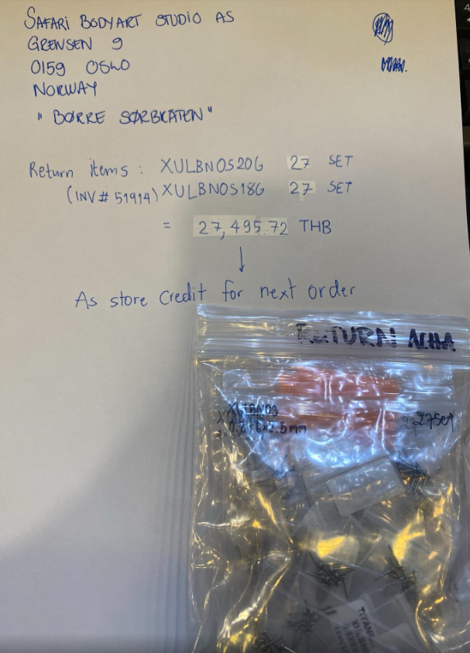
Acha Co.,Ltd. |  |  |  |  | Invoice
247 - 249 Tanow Road, Bavornives |  |  |  |  |  |  | 32
Pranakorn, Bangkok 10200 Thailand |  |  |  |  |  |  | .
TEL: + 66 2057 - 5858 |  |  |  | Date | Invoice #
FAX: + 66 2046 - 6650 |  |  |  | 23-Oct-23 | 51914
www.achadirect.com

Ship to |  |  | Bill to
Safari Bodyart Studio AS |  |  | Safari Bodyart Studio AS | PO Number
Børre Westgaard |  |  | Børre Westgaard
Grensen 9 |  |  | Grensen 9 | Via | Walk IN
0159 Oslo |  |  | 0159 Oslo
Norway |  |  | Norway | Rep. | Moss | USD Exchange Rate
 |  |  | 0 |  |  | 36.37

Tel: +47 22339700 |  |  |  | Currency | THB
Email: post@safaribodyart.no

Quantity | Item code | Options (Color/Size) | Description | Price Each | Amount
27 | XULBNOS20G | 6mm | Pack of 10 pcs. of Titanium G23 threadless labret 20g(0.8mm) with 2.5mm base plate | 509.18 | 13,747.86
27 | XULBNOS18G | 6mm | Pack of 10 pcs. of Titanium G23 threadless labret 18g(1mm) with 2.5mm base plate | 509.18 | 13,747.86

Check out our webstore - www.achadirect.com |  |  |  | Total Amount | ฿27,495.72

 |  |  | Store credit to next order 42258: | 27495.72

